Data Dictionary
DATA DICTIONARY

The actor table lists information for all the actors, including first name and last name of actors.
Actor Table

The address table contains address information for customers, staff, and stores.
Address Table

Category Table
The category table lists the categories that can be assigned to films.

The city table contains a list of cities.
City Table

Country Table
The country table contains a list of countries or regions.

Customer Table
The customer table contains a list of all customers.

Film Table
The film table lists all the films that may be in stock in the store.

The content of the film_text table is kept in synchrony with the film table by means of triggers on the film table INSERT, UPDATE, and DELETE operations.
Film_text Table

Film_actor Table
The film_actor table is used to support many-to-many relationships between films and actors.

Film_category Table
The film_category table is used to support many-to-many relationships between films and categories.

Inventory Table
A row in the inventory table represents a copy of a given film in a given store.

Language Table
The language table lists all possible values for the film language and original language.

Payment Table
The payment table records every payment made by the customer, including information such as the amount and rent paid.

Rental Table
a
The rental table contains a row for each rental of each inventory item, which contains information about who rented what, when it rented it, and when it was returned.

The staff table lists all staff information, including email addresses, login information, and pictures.
Staff Table

The store table lists all stores in the system.
Store Table

Q.1
What are the purchasing patterns of new customers versus repeat customers?

SQL Query
Visualization

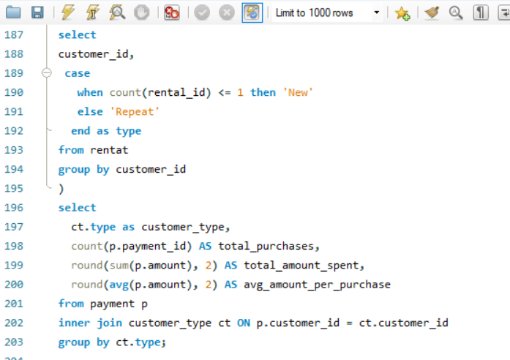
Purchasing Pattern & Amount Spent of repeat customer

Insight

This chart underscores the immense value of repeat customers. While the "Sum of total_purchases" for repeat customers is substantial, the "Sum of total_amount_spent" is significantly higher, indicating their considerable individual transaction value.
This data emphasizes that repeat customers are highly lucrative. Businesses should prioritize robust customer retention strategies, loyalty programs, and personalized engagement to cultivate this segment. Focusing efforts on nurturing existing relationships with repeat customers promises a higher return on investment than solely acquiring new ones, driving sustainable revenue growth.
Output
Pivot Table

Customer_type | total_purchases | total_amount_spent | avg_amount_per_purchase
Repeat | 16044 | 67406.56 | 4.2

 |  |  |  | Row Labels | Sum of total_amount_spent | Sum of total_purchases
 |  |  |  | Repeat | 67406.56 | 16044
 |  |  |  | Grand Total | 67406.56 | 16044

Q.2
Which films have the highest rental rates and are most in demand?

SQL Query
Visualization

Highest rental rate by films
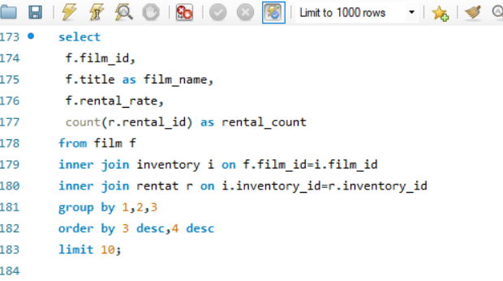

Output
Pivot Table
Insight

This chart on "Highest rental rate by films" provides insights into individual film performance. "Bucket Brotherhood" clearly leads with the highest rental count, positioning it as a standout performer and a key asset for customer acquisition and retention. Films like "Apache Divine," "Goodfellas Salute," "Scalawag Duck," "Wife Turn," and "Zorro Ark" show strong, consistent rental rates, indicating they are popular titles that reliably contribute to overall rental volume.
In contrast, "Dogma Family," "Harry Idaho," "Massacre Usual," and "Witches Panic" exhibit slightly lower, though still respectable, rental counts. While these films maintain a baseline level of interest, they may benefit from targeted promotions or bundling to elevate their performance. This data suggests prioritizing marketing and prominence for the top-performing titles while exploring strategies to boost the rental frequency of the mid-tier films.
Film_id | Film_name | rental_rate | rental_count
103 | BUCKET BROTHERHOOD | 4.99 | 34 | Row Labels | Sum of rental_count
767 | SCALAWAG DUCK | 4.99 | 32 | APACHE DIVINE | 31
1000 | ZORRO ARK | 4.99 | 31 | BUCKET BROTHERHOOD | 34
973 | WIFE TURN | 4.99 | 31 | DOGMA FAMILY | 30
369 | GOODFELLAS SALUTE | 4.99 | 31 | GOODFELLAS SALUTE | 31
31 | APACHE DIVINE | 4.99 | 31 | HARRY IDAHO | 30
979 | WITCHES PANIC | 4.99 | 30 | MASSACRE USUAL | 30
403 | HARRY IDAHO | 4.99 | 30 | SCALAWAG DUCK | 32
239 | DOGMA FAMILY | 4.99 | 30 | WIFE TURN | 31
563 | MASSACRE USUAL | 4.99 | 30 | WITCHES PANIC | 30
 |  |  |  | ZORRO ARK | 31
 |  |  |  | Grand Total | 310

Q.3
Are there correlations between staff performance and customer satisfaction?

Visualization
SQL Query

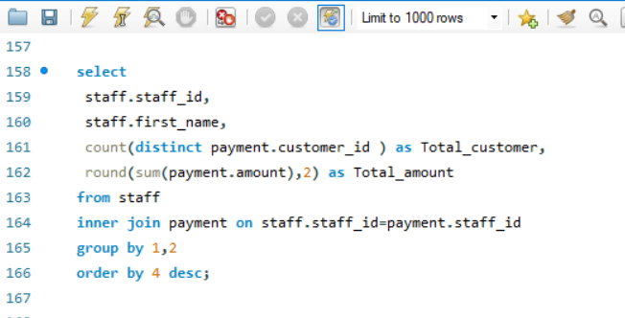
Staff performance and total amount generated
 | 1 | 2
Jon |  | 33924.06
Mike | 33482.5

Output
Pivot Table
Insight

This chart on "Staff performance and total amount generated" highlights individual revenue contributions. Jon, with Staff ID 2, significantly outperforms Mike (Staff ID 1), generating a higher total amount. This indicates Jon's stronger sales effectiveness or customer engagement.
Companies should analyze Jon's methods and best practices to potentially replicate his success across the team. For Mike, this data suggests an opportunity for targeted training, coaching, or re-evaluating sales strategies to boost his performance. Such performance insights are crucial for optimizing sales team productivity, setting realistic targets, and allocating resources effectively to maximize overall revenue generation.
Staff_id | First_name | Total_customer | Total_amount | Sum of Total_amount | Column Labels
2 | Jon | 599 | 33924.06 | Row Labels | 1 | 2 | Grand Total
1 | Mike | 599 | 33482.5 | Jon |  | 33924.06 | 33924.06
 |  |  |  | Mike | 33482.5 |  | 33482.5
 |  |  |  | Grand Total | 33482.5 | 33924.06 | 67406.56

Q.4
Are there seasonal trends in customer behavior across different locations?

SQL Query
Visualization

Seasonal trends in customer behaviour
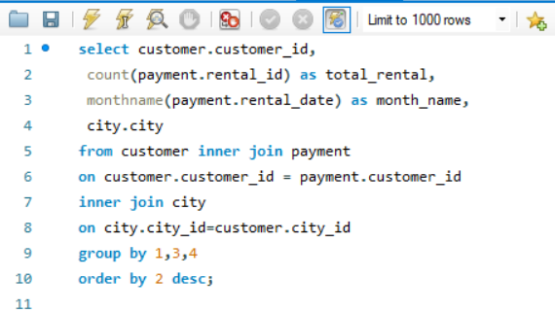

Output
Pivot Table
Insight

From an industry perspective, this "Seasonal trends in customer behaviour" chart reveals a pronounced peak in rental activity during July, followed by strong performance in August. Conversely, May and June exhibit significantly lower customer engagement.
This seasonal pattern is critical for operational planning. Businesses should strategically ramp up inventory, marketing campaigns, and staffing levels for the July-August surge to maximize revenue. During the quieter May-June period, focus can shift to maintenance, staff training, or off-peak promotions to stimulate demand. Understanding these trends enables optimized resource allocation and proactive business strategy for seasonal fluctuations.
Customer_id | Total_rental | month_name | city
148 | 22 | July | Saint-Denis | city | (All)
102 | 21 | July | Ashdod
75 | 20 | July | Changhwa | Row Labels | Sum of Total_rental
236 | 20 | July | Tanza | May | 15
30 | 19 | July | Lungtan | June | 237
91 | 19 | July | Bandar Seri Begawan | July | 6217
137 | 19 | July | Apeldoorn | August | 4829
526 | 19 | July | Cape Coral | Grand Total | 11298
595 | 19 | July | Jinzhou
354 | 19 | July | Santo André
366 | 19 | July | Balikesir
64 | 19 | July | Daxian
15 | 18 | August | Bhopal
569 | 18 | August | Leshan
566 | 18 | July | Tokat
494 | 18 | July | Ríobamba
469 | 18 | July | Ourense (Orense)
71 | 18 | July | Baybay
38 | 18 | July | Chisinau
522 | 18 | July | Santa Rosa
295 | 18 | July | Kolpino
314 | 18 | July | Sorocaba
119 | 18 | August | Shubra al-Khayma
459 | 18 | July | Qomsheh
210 | 18 | July | Aden
148 | 18 | August | Saint-Denis
178 | 18 | July | Santa Brbara dOeste
485 | 18 | July | Shaoguan
144 | 18 | July | Molodetšno
257 | 18 | July | Beira
406 | 18 | July | Charlotte Amalie
441 | 17 | July | Batna
332 | 17 | July | Dhaka
410 | 17 | August | Richmond Hill
21 | 17 | August | Tangail
342 | 17 | August | Boa Vista
168 | 17 | July | Jinchang
50 | 17 | July | Omdurman
347 | 17 | July | Daugavpils
418 | 17 | August | San Felipe de Puerto Plata
157 | 17 | July | Pyongyang
283 | 17 | July | Korla
425 | 17 | July | San Juan Bautista Tuxtepec
360 | 17 | July | Arecibo
470 | 17 | July | Hodeida
209 | 17 | July | Bhilwara
286 | 17 | July | Effon-Alaiye
141 | 17 | August | Fukuyama
225 | 17 | July | Ambattur
266 | 17 | August | Salzburg
446 | 17 | July | Uluberia
89 | 17 | July | La Plata
5 | 16 | July | Nantou
424 | 16 | July | Shanwei
442 | 16 | July | Tongliao
29 | 16 | August | Shimonoseki
35 | 16 | July | Toulouse
72 | 16 | August | Taguig
51 | 16 | August | Fontana
292 | 16 | July | Sharja
451 | 16 | August | El Fuerte
373 | 16 | July | Tanauan
46 | 16 | August | Moscow
181 | 16 | August | Memphis
150 | 16 | August | Hidalgo
125 | 16 | July | Boksburg
128 | 16 | July | Jastrzebie-Zdrój
553 | 16 | July | Novi Sad
274 | 16 | August | Karnal
598 | 16 | July | Lausanne
372 | 16 | July | Probolinggo
144 | 16 | August | Molodetšno
42 | 16 | July | Pak Kret
197 | 16 | August | Changzhou
348 | 16 | July | Hsichuh
198 | 16 | August | Ikerre
211 | 16 | July | Fuyu
309 | 16 | July | Brescia
265 | 16 | July | Olomouc
462 | 16 | July | Usolje-Sibirskoje
245 | 16 | July | Uijongbu
275 | 16 | August | Peoria
563 | 16 | July | Bucuresti
32 | 15 | July | Jhansi
573 | 15 | July | Zhezqazghan
323 | 15 | July | Cuautla
558 | 15 | July | Wroclaw
403 | 15 | August | Valparai
348 | 15 | August | Hsichuh
484 | 15 | July | Yinchuan
479 | 15 | July | Akron
592 | 15 | July | Székesfehérvár
335 | 15 | July | Sousse
39 | 15 | July | Vila Velha
469 | 15 | August | Ourense (Orense)
145 | 15 | July | Soshanguve
57 | 15 | July | Vaduz
580 | 15 | July | Iligan
363 | 15 | July | Nyeri
282 | 15 | July | Ponce
503 | 15 | August | Ueda
259 | 15 | August | Halisahar
439 | 15 | August | Bergamo
92 | 15 | July | Goiânia
535 | 15 | August | NDjamna
219 | 15 | July | Vicente López
198 | 15 | July | Ikerre
103 | 15 | July | Ilorin
373 | 15 | August | Tanauan
302 | 15 | July | Tiefa
114 | 15 | July | Duisburg
115 | 15 | July | Nezahualcóyotl
591 | 15 | July | Juiz de Fora
122 | 15 | July | Lima
507 | 15 | July | Eskisehir
409 | 15 | July | Deba Habe
235 | 15 | July | Buenaventura
147 | 15 | August | Urawa
574 | 15 | July | Akishima
207 | 15 | July | Nuuk
138 | 15 | July | Hohhot
167 | 15 | July | Chandrapur
137 | 15 | August | Apeldoorn
228 | 15 | July | Phnom Penh
475 | 15 | July | Šostka
498 | 15 | July | Salala
376 | 15 | July | Kurgan
576 | 15 | July | Fengshan
230 | 15 | July | Botosani
129 | 15 | July | Liaocheng
362 | 15 | July | Belém
346 | 15 | July | Maikop
241 | 15 | July | Xi´angfan
41 | 15 | July | Yerevan
237 | 15 | July | Naju
160 | 15 | August | Ljubertsy
99 | 15 | July | Kimchon
273 | 15 | July | Salamanca
502 | 15 | July | Siliguri (Shiliguri)
2 | 14 | July | San Bernardino
306 | 14 | August | Sungai Petani
473 | 14 | August | Lhokseumawe
468 | 14 | August | Bijapur
487 | 14 | July | Pjatigorsk
579 | 14 | July | Mosul
340 | 14 | August | Hanoi
590 | 14 | July | al-Manama
366 | 14 | August | Balikesir
444 | 14 | August | Tartu
445 | 14 | August | Escobar
54 | 14 | August | Iwakuni
508 | 14 | July | Vijayawada
63 | 14 | July | Lincoln
433 | 14 | July | Naçala-Porto
436 | 14 | August | Vancouver
560 | 14 | July | Avellaneda
78 | 14 | July | Rae Bareli
80 | 14 | August | Ife
461 | 14 | August | Gingoog
520 | 14 | August | Nha Trang
438 | 14 | July | Kitwe
232 | 14 | July | Zaria
211 | 14 | August | Fuyu
513 | 14 | August | Yangor
526 | 14 | August | Cape Coral
186 | 14 | August | Haldia
154 | 14 | July | Yuncheng
121 | 14 | August | Etawah
594 | 14 | July | Jining
588 | 14 | July | Weifang
490 | 14 | July | Sogamoso
300 | 14 | July | Parbhani
138 | 14 | August | Hohhot
290 | 14 | July | Valle de la Pascua
257 | 14 | August | Beira
581 | 14 | July | José Azueta
179 | 14 | July | Kirovo-Tšepetsk
497 | 14 | July | York
172 | 14 | July | Batman
173 | 14 | July | Graz
244 | 14 | July | Lapu-Lapu
380 | 14 | July | Tychy
204 | 14 | July | Usak
132 | 14 | July | Botshabelo
520 | 14 | July | Nha Trang
381 | 14 | July | South Hill
196 | 14 | July | Mannheim
532 | 14 | August | Cam Ranh
538 | 14 | July | Baicheng
135 | 14 | July | Pune
214 | 14 | August | Sunnyvale
78 | 14 | August | Rae Bareli
390 | 14 | July | Nakhon Sawan
570 | 14 | July | Monclova
242 | 14 | August | Qinhuangdao
468 | 14 | July | Bijapur
531 | 14 | July | Kuwana
404 | 14 | July | Omiya
107 | 14 | July | Merlo
532 | 14 | July | Cam Ranh
28 | 14 | July | Munger (Monghyr)
306 | 14 | July | Sungai Petani
410 | 14 | July | Richmond Hill
279 | 14 | August | Tabriz
5 | 13 | August | Nantou
3 | 13 | July | Athenai
512 | 13 | August | London
23 | 13 | July | Liepaja
565 | 13 | August | Huánuco
550 | 13 | August | Zhoushan
499 | 13 | August | Brindisi
506 | 13 | August | Pontianak
327 | 13 | August | Adana
334 | 13 | August | Sumqayit
407 | 13 | August | Rustenburg
339 | 13 | July | Xinxiang
423 | 13 | July | Sawhaj
596 | 13 | August | Patras
356 | 13 | August | Satna
529 | 13 | July | Bhimavaram
297 | 13 | July | Ahmadnagar
36 | 13 | July | Arak
333 | 13 | July | Baku
381 | 13 | August | South Hill
329 | 13 | July | Jamalpur
131 | 13 | August | Mukatševe
12 | 13 | July | Yamuna Nagar
397 | 13 | August | Atšinsk
66 | 13 | August | Malmö
386 | 13 | July | Kamjanets-Podilskyi
584 | 13 | August | Banjul
393 | 13 | July | Korolev
417 | 13 | August | al-Qatif
422 | 13 | August | Laohekou
13 | 13 | July | Osmaniye
351 | 13 | July | Zeleznogorsk
533 | 13 | July | Binzhou
273 | 13 | August | Salamanca
79 | 13 | July | Kamakura
368 | 13 | August | Najafabad
541 | 13 | August | Livorno
285 | 13 | July | Otsu
234 | 13 | August | Jalib al-Shuyukh
90 | 13 | August | Meixian
254 | 13 | July | Poços de Caldas
49 | 13 | July | Jedda
519 | 13 | July | Isesaki
372 | 13 | August | Probolinggo
208 | 13 | July | Balurghat
294 | 13 | August | Dayton
172 | 13 | August | Batman
166 | 13 | July | Lilongwe
585 | 13 | July | Quilmes
206 | 13 | July | Blumenau
361 | 13 | August | Yaoundé
380 | 13 | August | Tychy
147 | 13 | July | Urawa
126 | 13 | July | Poá
129 | 13 | August | Liaocheng
263 | 13 | July | Mandaluyong
308 | 13 | August | Kansas City
297 | 13 | August | Ahmadnagar
243 | 13 | July | San Miguel de Tucumán
146 | 13 | August | Sterling Heights
467 | 13 | July | Cuauhtémoc
158 | 13 | July | Greensboro
233 | 13 | July | Idfu
416 | 13 | August | Dadu
307 | 13 | July | Angra dos Reis
133 | 13 | July | Torreón
120 | 13 | July | Dos Quebradas
86 | 13 | August | Songkhla
66 | 13 | July | Malmö
112 | 13 | August | Lancaster
229 | 13 | July | Anápolis
513 | 13 | July | Yangor
158 | 13 | August | Greensboro
452 | 13 | July | Abu Dhabi
26 | 13 | July | Città del Vaticano
397 | 13 | July | Atšinsk
202 | 13 | July | Bhusawal
108 | 13 | July | Huixquilucan
168 | 13 | August | Jinchang
473 | 13 | July | Lhokseumawe
356 | 13 | July | Satna
481 | 13 | July | Mwanza
100 | 13 | July | Jelets
20 | 13 | August | Mardan
518 | 13 | July | Sivas
419 | 13 | July | Katihar
181 | 12 | July | Memphis
1 | 12 | July | Sasebo
559 | 12 | August | Bilbays
342 | 12 | July | Boa Vista
554 | 12 | August | Rajkot
337 | 12 | July | Onomichi
86 | 12 | July | Songkhla
474 | 12 | August | Emmen
575 | 12 | August | Cuernavaca
326 | 12 | July | Kingstown
460 | 12 | August | Florencia
536 | 12 | July | Tonghae
43 | 12 | July | Faaa
471 | 12 | August | Johannesburg
440 | 12 | July | Dhule (Dhulia)
84 | 12 | August | Atlixco
371 | 12 | July | Cabuyao
284 | 12 | July | Benin City
564 | 12 | August | Xintai
37 | 12 | August | Nanyang
27 | 12 | July | Davao
403 | 12 | July | Valparai
244 | 12 | August | Lapu-Lapu
421 | 12 | July | Pudukkottai
74 | 12 | August | Rio Claro
597 | 12 | August | Sullana
369 | 12 | July | Juárez
375 | 12 | August | Mwene-Ditu
379 | 12 | August | Bhavnagar
439 | 12 | July | Bergamo
584 | 12 | July | Banjul
515 | 12 | August | Coquimbo
405 | 12 | August | Tandil
390 | 12 | August | Nakhon Sawan
51 | 12 | July | Fontana
52 | 12 | July | A Coruña (La Coruña)
346 | 12 | August | Maikop
577 | 12 | August | Tanshui
537 | 12 | July | Aurora
502 | 12 | August | Siliguri (Shiliguri)
289 | 12 | August | Kowloon and New Kowloon
25 | 12 | July | Shikarpur
402 | 12 | July | Brest
539 | 12 | July | Valencia
8 | 12 | July | Hamilton
277 | 12 | July | Ogbomosho
260 | 12 | July | Datong
256 | 12 | August | Monywa
81 | 12 | August | Mahajanga
396 | 12 | July | Iwatsuki
7 | 12 | August | Kragujevac
56 | 12 | August | Papeete
504 | 12 | August | Joliet
322 | 12 | July | Bahía Blanca
462 | 12 | August | Usolje-Sibirskoje
336 | 12 | July | Rampur
408 | 12 | July | Jaffna
529 | 12 | August | Bhimavaram
220 | 12 | August | Zanzibar
459 | 12 | August | Qomsheh
93 | 12 | August | Zalantun
96 | 12 | July | Augusta-Richmond County
97 | 12 | July | Tete
239 | 12 | July | Ciomas
240 | 12 | July | Iwaki
357 | 12 | July | Bratislava
188 | 12 | August | Bayugan
176 | 12 | August | Skikda
182 | 12 | July | Compton
593 | 12 | July | Garden Grove
227 | 12 | July | Saarbrücken
14 | 12 | July | Citrus Heights
207 | 12 | August | Nuuk
270 | 12 | August | Kalisz
128 | 12 | August | Jastrzebie-Zdrój
161 | 12 | August | Tel Aviv-Jaffa
411 | 12 | July | Cianjur
317 | 12 | July | Tórshavn
131 | 12 | July | Mukatševe
331 | 12 | July | Santa Fé
316 | 12 | July | Miraj
482 | 12 | August | Coatzacoalcos
139 | 12 | July | Touliu
517 | 12 | July | Chungho
559 | 12 | July | Bilbays
368 | 12 | July | Najafabad
486 | 12 | July | Acuña
408 | 12 | August | Jaffna
264 | 12 | July | Higashiosaka
178 | 12 | August | Santa Brbara dOeste
583 | 12 | July | Southampton
165 | 12 | July | Hami
296 | 12 | July | Patiala
101 | 12 | July | Abha
436 | 12 | July | Vancouver
324 | 12 | July | Yuzhou
432 | 12 | July | Newcastle
170 | 12 | July | Udaipur
176 | 12 | July | Skikda
185 | 12 | July | Shahr-e Kord
289 | 12 | July | Kowloon and New Kowloon
330 | 12 | July | Aurora
80 | 12 | July | Ife
84 | 12 | July | Atlixco
201 | 12 | August | Witten
90 | 12 | July | Meixian
127 | 12 | August | Smolensk
482 | 12 | July | Coatzacoalcos
26 | 12 | August | Città del Vaticano
291 | 12 | July | Roanoke
199 | 12 | July | Haiphong
213 | 12 | July | Taizz
499 | 12 | July | Brindisi
220 | 12 | July | Zanzibar
34 | 12 | August | Kurashiki
319 | 12 | July | San Felipe del Progreso
241 | 12 | August | Xi´angfan
447 | 12 | August | Nabereznyje Tšelny
304 | 12 | July | Callao
254 | 12 | August | Poços de Caldas
349 | 12 | July | Imus
262 | 12 | August | Portoviejo
268 | 12 | July | Palghat (Palakkad)
221 | 12 | July | Syrakusa
45 | 12 | August | Antofagasta
276 | 12 | August | Warren
277 | 12 | August | Ogbomosho
278 | 12 | August | Inegöl
280 | 12 | August | Owo
190 | 12 | August | Tabora
6 | 12 | August | Laredo
470 | 11 | August | Hodeida
413 | 11 | August | Berhampore (Baharampur)
551 | 11 | August | Alvorada
10 | 11 | July | Esfahan
11 | 11 | July | Sagamihara
40 | 11 | August | Nador
317 | 11 | August | Tórshavn
454 | 11 | July | Uruapan
36 | 11 | August | Arak
7 | 11 | July | Kragujevac
500 | 11 | July | Madiun
88 | 11 | July | Cheju
40 | 11 | July | Nador
118 | 11 | July | Grand Prairie
152 | 11 | August | Nagaon
177 | 11 | August | Matamoros
328 | 11 | August | Ciparay
565 | 11 | July | Huánuco
467 | 11 | August | Cuauhtémoc
206 | 11 | August | Blumenau
391 | 11 | July | Izumisano
267 | 11 | August | Lengshuijiang
572 | 11 | July | Czestochowa
112 | 11 | July | Lancaster
577 | 11 | July | Tanshui
293 | 11 | August | Donostia-San Sebastián
302 | 11 | August | Tiefa
139 | 11 | August | Touliu
388 | 11 | July | Cavite
488 | 11 | July | La Paz
52 | 11 | August | A Coruña (La Coruña)
231 | 11 | July | Uttarpara-Kotrung
405 | 11 | July | Tandil
125 | 11 | August | Boksburg
175 | 11 | July | Allappuzha (Alleppey)
334 | 11 | July | Sumqayit
251 | 11 | July | Halle/Saale
550 | 11 | July | Zhoushan
263 | 11 | August | Mandaluyong
149 | 11 | July | Brockton
157 | 11 | August | Pyongyang
187 | 11 | July | Sumy
511 | 11 | July | Suihua
167 | 11 | August | Chandrapur
280 | 11 | July | Owo
231 | 11 | August | Uttarpara-Kotrung
30 | 11 | August | Lungtan
183 | 11 | July | Luziânia
420 | 11 | July | El Monte
355 | 11 | July | Matsue
195 | 11 | July | Siegen
447 | 11 | July | Nabereznyje Tšelny
428 | 11 | July | Syktyvkar
578 | 11 | July | Carmen
204 | 11 | August | Usak
38 | 11 | August | Chisinau
567 | 11 | July | Serpuhov
388 | 11 | August | Cavite
222 | 11 | July | Jaroslavl
247 | 11 | August | Coacalco de Berriozábal
258 | 11 | August | Santiago de los Caballeros
262 | 11 | July | Portoviejo
267 | 11 | July | Lengshuijiang
299 | 11 | July | Hiroshima
415 | 11 | July | Amersfoort
276 | 11 | July | Warren
426 | 11 | July | Purnea (Purnia)
298 | 11 | August | Oulu
312 | 11 | July | Tabuk
300 | 11 | August | Parbhani
535 | 11 | July | NDjamna
389 | 11 | July | Emeishan
337 | 11 | August | Onomichi
349 | 11 | August | Imus
360 | 11 | August | Arecibo
495 | 11 | July | Baiyin
58 | 11 | August | Kuching
367 | 11 | July | Adoni
59 | 11 | July | Mysore
392 | 11 | August | Addis Abeba
387 | 11 | August | Lubumbashi
393 | 11 | August | Korolev
396 | 11 | August | Iwatsuki
435 | 11 | August | Junan
481 | 11 | August | Mwanza
514 | 11 | August | Zaoyang
521 | 11 | August | Yingkou
560 | 11 | August | Avellaneda
1 | 11 | August | Sasebo
2 | 11 | August | San Bernardino
113 | 11 | July | Cumaná
77 | 11 | August | Araçatuba
29 | 11 | July | Shimonoseki
31 | 11 | June | Kamarhati
31 | 11 | July | Kamarhati
87 | 11 | July | Sincelejo
404 | 11 | August | Omiya
400 | 11 | August | Dallas
75 | 11 | August | Changhwa
82 | 11 | July | Simferopol
339 | 11 | August | Xinxiang
407 | 11 | July | Rustenburg
494 | 11 | August | Ríobamba
385 | 11 | July | Tama
126 | 11 | August | Poá
528 | 11 | July | Benguela
320 | 11 | July | Tafuna
141 | 11 | July | Fukuyama
163 | 11 | July | Kakamigahara
287 | 11 | July | Tambaram
237 | 11 | August | Naju
87 | 11 | August | Sincelejo
487 | 11 | August | Pjatigorsk
454 | 11 | August | Uruapan
69 | 11 | July | Béchar
4 | 11 | August | Myingyan
239 | 11 | August | Ciomas
253 | 11 | August | Miyakonojo
525 | 11 | July | Udine
377 | 11 | July | Kermanshah
504 | 11 | July | Joliet
314 | 11 | August | Sorocaba
461 | 11 | July | Gingoog
362 | 11 | August | Belém
491 | 11 | July | Mit Ghamr
389 | 11 | August | Emeishan
589 | 10 | July | Loja
338 | 10 | August | Paarl
113 | 10 | August | Cumaná
435 | 10 | July | Junan
394 | 10 | July | Gijón
331 | 10 | August | Santa Fé
555 | 10 | August | Chatsworth
454 | 10 | June | Uruapan
325 | 10 | July | Brasília
580 | 10 | August | Iligan
518 | 10 | August | Sivas
63 | 10 | August | Lincoln
533 | 10 | August | Binzhou
374 | 10 | August | Vitória de Santo Antão
474 | 10 | July | Emmen
472 | 10 | August | Nam Dinh
503 | 10 | July | Ueda
236 | 10 | August | Tanza
383 | 10 | August | Namibe
101 | 10 | August | Abha
385 | 10 | August | Tama
566 | 10 | August | Tokat
104 | 10 | July | Toulon
377 | 10 | August | Kermanshah
303 | 10 | August | Sanaa
142 | 10 | August | Dundee
445 | 10 | July | Escobar
22 | 10 | August | Salé
47 | 10 | July | Juazeiro do Norte
27 | 10 | August | Davao
44 | 10 | July | Lipetsk
345 | 10 | July | San Lorenzo
589 | 10 | August | Loja
145 | 10 | August | Soshanguve
443 | 10 | July | São Leopoldo
523 | 10 | July | Vinh
252 | 10 | July | London
418 | 10 | July | San Felipe de Puerto Plata
153 | 10 | July | Jakarta
299 | 10 | August | Hiroshima
305 | 10 | August | Arlington
557 | 10 | July | Vilnius
119 | 10 | July | Shubra al-Khayma
361 | 10 | July | Yaoundé
443 | 10 | August | São Leopoldo
582 | 10 | July | Huejutla de Reyes
456 | 10 | August | Ziguinchor
448 | 10 | July | Erlangen
123 | 10 | July | Varanasi (Benares)
329 | 10 | August | Jamalpur
450 | 10 | August | Surakarta
453 | 10 | July | Maracaíbo
251 | 10 | August | Halle/Saale
323 | 10 | August | Cuautla
510 | 10 | July | Kamyšin
400 | 10 | July | Dallas
258 | 10 | July | Santiago de los Caballeros
582 | 10 | August | Huejutla de Reyes
427 | 10 | July | Guarujá
230 | 10 | August | Botosani
298 | 10 | July | Oulu
540 | 10 | August | Ruse
53 | 10 | August | Nagareyama
522 | 10 | August | Santa Rosa
269 | 10 | August | Salinas
434 | 10 | August | Ozamis
506 | 10 | July | Pontianak
120 | 10 | August | Dos Quebradas
416 | 10 | July | Dadu
20 | 10 | July | Mardan
288 | 10 | August | Valle de Santiago
274 | 10 | July | Karnal
386 | 10 | August | Kamjanets-Podilskyi
16 | 10 | August | Southend-on-Sea
60 | 10 | August | Jaipur
527 | 10 | August | Mogiljov
68 | 10 | July | Shivapuri
116 | 10 | August | Pemalang
16 | 10 | July | Southend-on-Sea
294 | 10 | July | Dayton
72 | 10 | July | Taguig
73 | 10 | July | Chiayi
414 | 10 | July | Allende
260 | 10 | August | Datong
463 | 10 | July | Halifax
13 | 10 | August | Osmaniye
180 | 10 | July | Pereira
453 | 10 | August | Maracaíbo
285 | 10 | August | Otsu
370 | 10 | August | Gulbarga
156 | 10 | August | Ondo
477 | 10 | July | Stockport
321 | 10 | July | Birgunj
301 | 10 | July | Kaliningrad
135 | 10 | August | Pune
161 | 10 | July | Tel Aviv-Jaffa
74 | 10 | July | Rio Claro
437 | 10 | July | La Romana
163 | 10 | August | Kakamigahara
142 | 10 | July | Dundee
259 | 10 | July | Halisahar
414 | 10 | August | Allende
154 | 10 | August | Yuncheng
166 | 10 | August | Lilongwe
91 | 10 | August | Bandar Seri Begawan
151 | 10 | July | Laiwu
169 | 10 | July | Pingxiang
151 | 10 | August | Laiwu
59 | 10 | August | Mysore
153 | 10 | August | Jakarta
226 | 10 | August | Asunción
224 | 10 | August | Jodhpur
221 | 10 | August | Syrakusa
365 | 10 | July | Okinawa
489 | 10 | August | Okayama
374 | 10 | July | Vitória de Santo Antão
200 | 10 | July | Ashgabat
338 | 10 | July | Paarl
106 | 10 | July | Ivanovo
419 | 10 | August | Katihar
155 | 10 | July | Bern
287 | 10 | August | Tambaram
159 | 10 | July | Linz
293 | 10 | July | Donostia-San Sebastián
215 | 10 | August | Stara Zagora
572 | 10 | August | Czestochowa
544 | 10 | August | São Bernardo do Campo
547 | 10 | July | Kanazawa
164 | 10 | July | Tarsus
192 | 10 | July | Firozabad
114 | 10 | August | Duisburg
179 | 10 | August | Kirovo-Tšepetsk
382 | 10 | July | Manchester
116 | 10 | July | Pemalang
117 | 10 | August | Gandhinagar
305 | 10 | July | Arlington
28 | 10 | August | Munger (Monghyr)
371 | 10 | August | Cabuyao
448 | 10 | August | Erlangen
210 | 10 | August | Aden
463 | 10 | August | Halifax
587 | 10 | July | Celaya
189 | 10 | July | Oshawa
192 | 10 | August | Firozabad
546 | 10 | July | Sanya
466 | 10 | August | Dongying
296 | 10 | August | Patiala
105 | 10 | July | Funafuti
426 | 10 | August | Purnea (Purnia)
103 | 10 | August | Ilorin
193 | 10 | August | Kisumu
376 | 10 | August | Kurgan
295 | 9 | June | Kolpino
69 | 9 | August | Béchar
76 | 9 | July | Pavlodar
106 | 9 | August | Ivanovo
45 | 9 | July | Antofagasta
108 | 9 | August | Huixquilucan
471 | 9 | July | Johannesburg
17 | 9 | July | Elista
472 | 9 | July | Nam Dinh
9 | 9 | July | Masqat
501 | 9 | July | Lublin
6 | 9 | July | Laredo
98 | 9 | August | al-Ayn
458 | 9 | July | Tegal
442 | 9 | August | Tongliao
288 | 9 | July | Valle de Santiago
18 | 9 | July | Kaduna
170 | 9 | August | Udaipur
350 | 9 | August | Tšeboksary
19 | 9 | August | Kimberley
573 | 9 | August | Zhezqazghan
24 | 9 | August | Córdoba
95 | 9 | July | Pathankot
500 | 9 | August | Madiun
143 | 9 | July | Kilis
324 | 9 | August | Yuzhou
549 | 9 | July | Santiago de Compostela
25 | 9 | August | Shikarpur
476 | 9 | July | Gatineau
156 | 9 | July | Ondo
171 | 9 | July | Ipoh
267 | 9 | June | Lengshuijiang
33 | 9 | August | Alessandria
184 | 9 | August | ´s-Hertogenbosch
343 | 9 | July | Mexicali
579 | 9 | August | Mosul
187 | 9 | August | Sumy
253 | 9 | July | Miyakonojo
212 | 9 | August | Bellevue
216 | 9 | August | Aparecida de Goiânia
217 | 9 | July | Sambhal
480 | 9 | August | Gaziantep
562 | 9 | July | Sokoto
527 | 9 | July | Mogiljov
383 | 9 | July | Namibe
457 | 9 | June | Rockford
465 | 9 | August | Zapopan
238 | 9 | July | Shimoga
530 | 9 | August | Ezeiza
269 | 9 | July | Salinas
546 | 9 | August | Sanya
457 | 9 | August | Rockford
261 | 9 | August | Tuguegarao
265 | 9 | August | Olomouc
545 | 9 | August | Konotop
268 | 9 | August | Palghat (Palakkad)
429 | 9 | July | Tsuyama
433 | 9 | August | Naçala-Porto
421 | 9 | August | Pudukkottai
65 | 9 | July | Cayenne
415 | 9 | August | Amersfoort
295 | 9 | August | Kolpino
547 | 9 | August | Kanazawa
538 | 9 | August | Baicheng
530 | 9 | July | Ezeiza
70 | 9 | August | al-Hawiya
564 | 9 | July | Xintai
56 | 9 | July | Papeete
65 | 9 | August | Cayenne
73 | 9 | August | Chiayi
591 | 9 | August | Juiz de Fora
575 | 9 | July | Cuernavaca
111 | 9 | August | Caracas
341 | 9 | August | Ede
563 | 9 | August | Bucuresti
353 | 9 | August | Pachuca de Soto
364 | 9 | August | Guadalajara
545 | 9 | July | Konotop
424 | 9 | August | Shanwei
571 | 9 | July | Plock
434 | 9 | July | Ozamis
552 | 9 | July | Haining
401 | 9 | August | Koriyama
562 | 9 | August | Sokoto
58 | 9 | July | Kuching
333 | 9 | August | Baku
391 | 9 | August | Izumisano
438 | 9 | August | Kitwe
340 | 9 | July | Hanoi
561 | 9 | June | Garland
455 | 9 | August | El Alto
552 | 9 | August | Haining
534 | 9 | August | Amroha
98 | 9 | July | al-Ayn
488 | 9 | August | La Paz
336 | 9 | August | Rampur
313 | 9 | August | Ezhou
493 | 9 | August | Sultanbeyli
312 | 9 | August | Tabuk
359 | 9 | July | Almirante Brown
319 | 9 | August | San Felipe del Progreso
516 | 9 | July | Battambang
213 | 9 | June | Taizz
521 | 9 | July | Yingkou
50 | 9 | August | Omdurman
34 | 9 | July | Kurashiki
184 | 9 | July | ´s-Hertogenbosch
111 | 9 | July | Caracas
540 | 9 | July | Ruse
14 | 9 | August | Citrus Heights
15 | 9 | July | Bhopal
455 | 9 | July | El Alto
24 | 9 | July | Córdoba
509 | 9 | July | Chapra
275 | 9 | July | Peoria
352 | 9 | July | Bamenda
217 | 9 | August | Sambhal
401 | 9 | July | Koriyama
483 | 9 | July | Denizli
526 | 9 | June | Cape Coral
431 | 9 | August | Sucre
134 | 9 | August | Qalyub
202 | 9 | August | Bhusawal
329 | 9 | June | Jamalpur
121 | 9 | July | Etawah
586 | 9 | August | Tsaotun
587 | 9 | August | Celaya
191 | 9 | July | Novotšerkassk
303 | 9 | July | Sanaa
332 | 9 | August | Dhaka
242 | 9 | July | Qinhuangdao
512 | 9 | July | London
180 | 9 | August | Pereira
309 | 9 | August | Brescia
175 | 9 | August | Allappuzha (Alleppey)
62 | 9 | August | Saint Louis
496 | 9 | August | Rizhao
160 | 9 | July | Ljubertsy
278 | 9 | July | Inegöl
279 | 9 | July | Tabriz
171 | 9 | August | Ipoh
105 | 9 | August | Funafuti
196 | 9 | August | Mannheim
224 | 9 | July | Jodhpur
271 | 9 | July | Kumbakonam
83 | 9 | July | Springs
226 | 9 | July | Asunción
21 | 9 | July | Tangail
92 | 8 | August | Goiânia
354 | 8 | August | Santo André
325 | 8 | August | Brasília
115 | 8 | August | Nezahualcóyotl
336 | 8 | June | Rampur
310 | 8 | July | Ibirité
27 | 8 | June | Davao
347 | 8 | August | Daugavpils
240 | 8 | August | Iwaki
485 | 8 | August | Shaoguan
197 | 8 | July | Changzhou
9 | 8 | August | Masqat
260 | 8 | June | Datong
214 | 8 | July | Sunnyvale
384 | 8 | July | Huai´an
130 | 8 | July | Águas Lindas de Goiás
411 | 8 | August | Cianjur
39 | 8 | August | Vila Velha
412 | 8 | August | Hoshiarpur
423 | 8 | August | Sawhaj
205 | 8 | July | Ciudad del Este
11 | 8 | August | Sagamihara
370 | 8 | July | Gulbarga
363 | 8 | August | Nyeri
558 | 8 | August | Wroclaw
35 | 8 | August | Toulouse
209 | 8 | August | Bhilwara
510 | 8 | June | Kamyšin
197 | 8 | May | Changzhou
576 | 8 | August | Fengshan
85 | 8 | July | Bradford
46 | 8 | July | Moscow
427 | 8 | August | Guarujá
268 | 8 | June | Palghat (Palakkad)
484 | 8 | August | Yinchuan
104 | 8 | August | Toulon
54 | 8 | July | Iwakuni
130 | 8 | August | Águas Lindas de Goiás
495 | 8 | August | Baiyin
236 | 8 | June | Tanza
173 | 8 | August | Graz
64 | 8 | August | Daxian
109 | 8 | July | Klerksdorp
505 | 8 | August | Talavera
176 | 8 | June | Skikda
249 | 8 | July | Tianjin
284 | 8 | August | Benin City
132 | 8 | August | Botshabelo
203 | 8 | August | Gorontalo
195 | 8 | August | Siegen
182 | 8 | August | Compton
561 | 8 | August | Garland
174 | 8 | August | Ocumare del Tuy
8 | 8 | August | Hamilton
199 | 8 | August | Haiphong
234 | 8 | June | Jalib al-Shuyukh
367 | 8 | August | Adoni
264 | 8 | August | Higashiosaka
581 | 8 | August | José Azueta
359 | 8 | August | Almirante Brown
588 | 8 | August | Weifang
315 | 8 | July | Bat Yam
82 | 8 | August | Simferopol
501 | 8 | August | Lublin
83 | 8 | August | Springs
178 | 8 | June | Santa Brbara dOeste
67 | 8 | August | Xi´angtan
551 | 8 | July | Alvorada
188 | 8 | July | Bayugan
380 | 8 | June | Tychy
524 | 8 | July | Purwakarta
394 | 8 | August | Gijón
186 | 8 | July | Haldia
399 | 8 | August | Okara
543 | 8 | July | Beni-Mellal
10 | 8 | August | Esfahan
169 | 8 | August | Pingxiang
493 | 8 | July | Sultanbeyli
460 | 8 | July | Florencia
480 | 8 | July | Gaziantep
60 | 8 | July | Jaipur
33 | 8 | July | Alessandria
593 | 8 | August | Garden Grove
378 | 8 | July | Shenzhen
290 | 8 | August | Valle de la Pascua
542 | 8 | July | Pangkal Pinang
452 | 8 | August | Abu Dhabi
515 | 8 | July | Coquimbo
568 | 8 | July | Barcelona
281 | 8 | July | Fuzhou
458 | 8 | August | Tegal
196 | 8 | June | Mannheim
364 | 8 | July | Guadalajara
122 | 8 | August | Lima
399 | 8 | July | Okara
133 | 8 | August | Torreón
496 | 8 | July | Rizhao
311 | 8 | July | Kursk
449 | 8 | July | Sirjan
200 | 8 | August | Ashgabat
340 | 8 | June | Hanoi
536 | 8 | August | Tonghae
595 | 8 | August | Jinzhou
531 | 8 | August | Kuwana
197 | 8 | June | Changzhou
557 | 8 | August | Vilnius
96 | 8 | August | Augusta-Richmond County
592 | 8 | August | Székesfehérvár
67 | 8 | July | Xi´angtan
124 | 8 | July | Kütahya
497 | 8 | August | York
350 | 8 | July | Tšeboksary
440 | 8 | August | Dhule (Dhulia)
123 | 8 | August | Varanasi (Benares)
23 | 8 | August | Liepaja
392 | 8 | July | Addis Abeba
48 | 8 | July | Niznekamsk
218 | 8 | July | Kabul
444 | 8 | July | Tartu
321 | 7 | August | Birgunj
29 | 7 | June | Shimonoseki
570 | 7 | June | Monclova
571 | 7 | August | Plock
508 | 7 | August | Vijayawada
430 | 7 | August | Dzerzinsk
369 | 7 | August | Juárez
352 | 7 | August | Bamenda
22 | 7 | July | Salé
569 | 7 | July | Leshan
171 | 7 | June | Ipoh
475 | 7 | August | Šostka
561 | 7 | July | Garland
238 | 7 | August | Shimoga
517 | 7 | August | Chungho
247 | 7 | July | Coacalco de Berriozábal
466 | 7 | July | Dongying
190 | 7 | July | Tabora
12 | 7 | August | Yamuna Nagar
223 | 7 | July | Mandi Bahauddin
109 | 7 | May | Klerksdorp
316 | 7 | June | Miraj
597 | 7 | July | Sullana
55 | 7 | August | Balašiha
351 | 7 | August | Zeleznogorsk
441 | 7 | August | Batna
358 | 7 | August | Ranchi
66 | 7 | June | Malmö
53 | 7 | July | Nagareyama
431 | 7 | June | Sucre
71 | 7 | August | Baybay
412 | 7 | July | Hoshiarpur
271 | 7 | August | Kumbakonam
456 | 7 | June | Ziguinchor

Q.5
Are certain language films more popular among specific customer segments?

SQL Query
Visualization

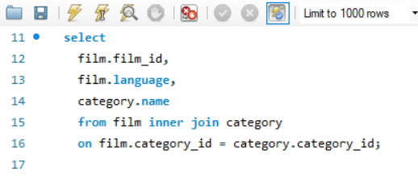
Total Films by its categories and language

Output

Film_id | Language | name
12 | Spanish | Music
17 | Spanish | Music
Insight
27 | Spanish | Sports
52 | Spanish | Foreign
Pivot Table
82 | Spanish | Family
This chart illustrates content library depth across film categories. Sports, Foreign, Drama, and Comedy categories boast the largest number of films, indicating a significant investment or historical focus in these genres. This suggests a robust offering for diverse audience segments.
Action, New, and Children's films maintain a substantial but slightly smaller inventory. These still represent key components of the catalog.
Conversely, Horror films show a comparatively lower count, which might imply a niche focus, a strategic decision to limit stock, or a potential area for targeted content acquisition if demand warrants. Overall, this data helps inform content acquisition strategies to maintain a balanced and appealing film library.
87 | Spanish | Travel
97 | Spanish | Action
122 | Spanish | Horror
132 | Spanish | Sci-Fi | Language | (All)
142 | Spanish | Documentary
147 | Spanish | Family | Row Labels | Count of Film_id
157 | Spanish | Children | Action | 64
242 | Spanish | Comedy | Animation | 66
247 | Spanish | Comedy | Children | 60
257 | Spanish | Travel | Classics | 57
262 | Spanish | Family | Comedy | 58
282 | Spanish | Drama | Documentary | 68
287 | Spanish | Action | Drama | 62
292 | Spanish | Action | Family | 69
317 | Spanish | Comedy | Foreign | 73
332 | Spanish | Comedy | Games | 61
352 | Spanish | Games | Horror | 56
357 | Spanish | Classics | Music | 51
367 | Spanish | Sci-Fi | New | 63
377 | Spanish | Family | Sci-Fi | 61
382 | Spanish | Games | Sports | 74
387 | Spanish | Games | Travel | 57
402 | Spanish | Animation | Grand Total | 1000
407 | Spanish | Documentary
417 | Spanish | Action
427 | Spanish | Documentary
452 | Spanish | Foreign
457 | Spanish | Documentary
467 | Spanish | Foreign
477 | Spanish | Music
482 | Spanish | Classics
492 | Spanish | New
497 | Spanish | Documentary
507 | Spanish | Games
517 | Spanish | Sports
547 | Spanish | Children
552 | Spanish | Documentary
562 | Spanish | Music
577 | Spanish | Sports
602 | Spanish | Sci-Fi
617 | Spanish | Family
622 | Spanish | Documentary
647 | Spanish | Music
652 | Spanish | Classics
677 | Spanish | New
687 | Spanish | Documentary
697 | Spanish | Action
712 | Spanish | Documentary
717 | Spanish | Action
722 | Spanish | Horror
727 | Spanish | Family
732 | Spanish | Action
737 | Spanish | Horror
742 | Spanish | Games
747 | Spanish | Games
752 | Spanish | Music
762 | Spanish | Games
787 | Spanish | Travel
797 | Spanish | Music
807 | Spanish | Games
812 | Spanish | Documentary
822 | Spanish | Family
832 | Spanish | Family
852 | Spanish | Children
862 | Spanish | Classics
877 | Spanish | Music
882 | Spanish | Drama
907 | Spanish | Drama
932 | Spanish | Comedy
942 | Spanish | Drama
947 | Spanish | Foreign
982 | Spanish | Action
992 | Spanish | Documentary
997 | Spanish | Music
1 | German | Documentary
11 | German | Foreign
26 | German | Sci-Fi
36 | German | Animation
41 | German | Travel
66 | German | Children
76 | German | Music
91 | German | Classics
101 | German | Documentary
111 | German | Action
176 | German | Sports
186 | German | Drama
191 | German | Children
196 | German | Classics
206 | German | Documentary
221 | German | Documentary
241 | German | Animation
261 | German | Documentary
266 | German | Classics
281 | German | Games
291 | German | Sports
301 | German | Horror
306 | German | Games
311 | German | Foreign
341 | German | Classics
366 | German | Drama
376 | German | Foreign
401 | German | Drama
406 | German | Games
416 | German | Foreign
436 | German | New
461 | German | Animation
491 | German | Children
496 | German | Travel
511 | German | Action
516 | German | Music
531 | German | Foreign
566 | German | Foreign
581 | German | Music
586 | German | Action
601 | German | Travel
606 | German | Sports
631 | German | Sports
636 | German | Music
641 | German | Foreign
646 | German | Games
651 | German | Animation
656 | German | Travel
681 | German | Sports
696 | German | Animation
736 | German | Family
741 | German | Music
746 | German | Games
751 | German | New
766 | German | Drama
786 | German | Children
796 | German | Sports
816 | German | Animation
821 | German | Foreign
831 | German | Sci-Fi
851 | German | Sports
866 | German | Family
886 | German | Animation
891 | German | Classics
896 | German | Children
901 | German | Animation
906 | German | Comedy
931 | German | Travel
951 | German | Classics
966 | German | Documentary
976 | German | Games
981 | German | Travel
996 | German | Documentary
40 | French | Documentary
85 | French | Documentary
90 | French | New
105 | French | Action
110 | French | Children
130 | French | Action
140 | French | Sci-Fi
155 | French | New
160 | French | Animation
200 | French | Games
205 | French | Action
225 | French | Drama
245 | French | Animation
250 | French | Action
270 | French | New
275 | French | Horror
280 | French | Children
285 | French | Sci-Fi
290 | French | Foreign
295 | French | Documentary
315 | French | Family
335 | French | Comedy
345 | French | Family
355 | French | Animation
360 | French | Action
395 | French | Action
425 | French | Classics
430 | French | Animation
440 | French | Foreign
475 | French | Horror
525 | French | Classics
535 | French | Horror
545 | French | Foreign
555 | French | Comedy
560 | French | Games
585 | French | Drama
595 | French | Foreign
600 | French | Horror
610 | French | Family
625 | French | Sci-Fi
630 | French | Drama
635 | French | New
650 | French | Documentary
730 | French | New
750 | French | New
790 | French | Drama
795 | French | Family
810 | French | Family
830 | French | Horror
840 | French | Games
850 | French | Action
855 | French | Documentary
870 | French | Horror
875 | French | Sports
885 | French | Horror
890 | French | Sports
910 | French | Drama
920 | French | New
925 | French | Documentary
935 | French | New
940 | French | Sports
945 | French | Documentary
965 | French | Horror
970 | French | Classics
990 | French | Horror
14 | English | Classics
18 | Japanese | Animation
19 | English | Action
23 | Japanese | Animation
34 | English | Horror
38 | Japanese | Action
39 | English | Sci-Fi
54 | English | Music
63 | Japanese | Family
64 | English | Drama
79 | English | Drama
89 | English | Animation
108 | Japanese | New
109 | English | New
114 | English | Sci-Fi
118 | Japanese | Animation
119 | English | Comedy
128 | Japanese | Foreign
143 | Japanese | Drama
149 | English | Children
153 | Japanese | Sci-Fi
163 | Japanese | New
164 | English | Documentary
168 | Japanese | Children
178 | Japanese | Comedy
189 | English | Games
194 | English | Action
204 | English | Drama
213 | Japanese | Family
218 | Japanese | Drama
228 | Japanese | Classics
233 | Japanese | Travel
249 | English | Classics
258 | Japanese | Horror
269 | English | Family
273 | Japanese | Family
283 | Japanese | New
299 | English | Travel
303 | Japanese | Action
309 | English | Family
314 | English | Animation
318 | Japanese | Action
339 | English | Travel
344 | English | Children
348 | Japanese | Family
358 | Japanese | Classics
363 | Japanese | Music
374 | English | Sci-Fi
379 | English | Drama
383 | Japanese | Sports
388 | Japanese | Comedy
404 | English | Comedy
418 | Japanese | Drama
423 | Japanese | Children
424 | English | Children
429 | English | Sports
434 | English | Travel
454 | English | Music
458 | Japanese | Family
479 | English | Family
488 | Japanese | Sports
489 | English | Animation
493 | Japanese | Foreign
494 | English | Horror
504 | English | Drama
509 | English | Children
523 | Japanese | Classics
524 | English | Comedy
534 | English | Family
538 | Japanese | New
549 | English | Action
553 | Japanese | Children
574 | English | Action
589 | English | Documentary
593 | Japanese | Horror
594 | English | Action
598 | Japanese | Sports
599 | English | Sports
604 | English | Comedy
613 | Japanese | Comedy
618 | Japanese | Drama
619 | English | Sports
623 | Japanese | Foreign
629 | English | Documentary
634 | English | Family
663 | Japanese | Classics
673 | Japanese | Music
674 | English | Foreign
688 | Japanese | Children
718 | Japanese | Music
728 | Japanese | Drama
733 | Japanese | Sports
738 | Japanese | Foreign
743 | Japanese | Animation
744 | English | Classics
748 | Japanese | Action
753 | Japanese | Family
794 | English | Action
799 | English | Horror
808 | Japanese | Classics
809 | English | Sports
813 | Japanese | Sports
819 | English | Music
833 | Japanese | Children
834 | English | Documentary
839 | English | Sci-Fi
848 | Japanese | Travel
849 | English | Animation
863 | Japanese | Sci-Fi
864 | English | Children
868 | Japanese | Travel
873 | Japanese | Children
894 | English | Travel
899 | English | Classics
909 | English | Horror
913 | Japanese | New
924 | English | Sci-Fi
948 | Japanese | New
949 | English | Games
953 | Japanese | Animation
963 | Japanese | Animation
974 | English | New
978 | Japanese | Comedy
998 | Japanese | Horror
2 | Spanish | Horror
46 | German | Games
61 | German | Drama
75 | French | Travel
77 | Spanish | New
95 | French | New
123 | Japanese | Travel
126 | German | Action
127 | Spanish | Comedy
145 | French | Family
156 | German | Documentary
165 | French | Sci-Fi
179 | English | Drama
182 | Spanish | Comedy
202 | Spanish | Comedy
203 | Japanese | Sci-Fi
212 | Spanish | Action
216 | German | New
217 | Spanish | Games
224 | English | Travel
226 | German | New
239 | English | Animation
260 | French | Sports
271 | German | Action
289 | English | New
313 | Japanese | Horror
350 | French | Sci-Fi
354 | English | Children
371 | German | Action
396 | German | Drama
409 | English | Children
412 | Spanish | Documentary
472 | Spanish | Travel
510 | French | Animation
575 | French | Documentary
597 | Spanish | Games
653 | Japanese | Horror
654 | English | Games
763 | Japanese | Sports
764 | English | Sports
778 | Japanese | Family
805 | French | Animation
853 | Japanese | Children
860 | French | Sci-Fi
878 | Japanese | Travel
897 | Spanish | Drama
903 | Japanese | Travel
908 | Japanese | Foreign
915 | French | Action
919 | English | Games
954 | English | New
957 | Spanish | Foreign
964 | English | Action
968 | Japanese | Action
969 | English | Drama
8 | Japanese | Horror
20 | French | Music
21 | German | Action
32 | Spanish | New
60 | French | Classics
86 | German | Music
100 | French | Foreign
102 | Spanish | Sports
159 | English | Comedy
171 | German | Horror
177 | Spanish | Sci-Fi
183 | Japanese | Family
192 | Spanish | Foreign
195 | French | Sci-Fi
222 | Spanish | Horror
227 | Spanish | Games
229 | English | Action
246 | German | Foreign
256 | German | Sports
263 | Japanese | Sports
310 | French | Games
312 | Spanish | Sci-Fi
316 | German | Games
323 | Japanese | Sports
342 | Spanish | Travel
346 | German | Classics
365 | French | Comedy
372 | Spanish | Sports
381 | German | Games
384 | English | Music
390 | French | Sci-Fi
408 | Japanese | Games
426 | German | Music
465 | French | New
470 | French | Animation
486 | German | Foreign
501 | German | Action
543 | Japanese | Travel
563 | Japanese | Games
640 | French | Foreign
686 | German | New
708 | Japanese | Documentary
710 | French | Family
711 | German | Sci-Fi
725 | French | Classics
734 | English | Documentary
749 | English | Horror
765 | French | Comedy
779 | English | Sports
781 | German | Games
803 | Japanese | Drama
817 | Spanish | Sci-Fi
838 | Japanese | Action
854 | English | Horror
856 | German | Horror
858 | Japanese | Comedy
861 | German | Games
884 | English | Music
889 | English | Children
892 | Spanish | Animation
904 | English | Horror
938 | Japanese | Comedy
961 | German | Foreign
989 | English | Travel
995 | French | Horror
13 | Japanese | Horror
65 | French | Horror
74 | English | Music
84 | English | Travel
88 | Japanese | Travel
93 | Japanese | New
103 | Japanese | Travel
131 | German | Classics
134 | English | Animation
139 | English | Family
144 | English | New
207 | Spanish | Foreign
215 | French | Games
265 | French | Comedy
327 | Spanish | Action
336 | German | Documentary
338 | Japanese | Sci-Fi
359 | English | Family
369 | English | Sci-Fi
420 | French | Sports
446 | German | Sports
469 | English | Classics
485 | French | Children
506 | German | Horror
515 | French | Children
518 | Japanese | Travel
527 | Spanish | Horror
532 | Spanish | Sports
551 | German | New
591 | German | Games
603 | Japanese | Family
607 | Spanish | Foreign
611 | German | Classics
624 | English | Games
637 | Spanish | Sci-Fi
639 | English | Family
662 | Spanish | Drama
668 | Japanese | Sports
670 | French | Documentary
680 | French | Comedy
695 | French | Family
699 | English | Games
703 | Japanese | Animation
706 | German | Drama
713 | Japanese | Documentary
715 | French | Family
719 | English | Sports
755 | French | Children
776 | German | Documentary
777 | Spanish | Sports
780 | French | Family
785 | French | Travel
798 | Japanese | Sci-Fi
814 | English | Comedy
844 | English | Sports
859 | English | Animation
867 | Spanish | Family
871 | German | Comedy
879 | English | Music
881 | German | Horror
883 | Japanese | Children
893 | Japanese | Sci-Fi
902 | Spanish | Sports
918 | Japanese | Children
950 | French | Classics
955 | French | Children
980 | French | Music
985 | French | Sci-Fi
10 | French | Sports
31 | German | Family
47 | Spanish | Foreign
68 | Japanese | Children
70 | French | Animation
92 | Spanish | Horror
112 | Spanish | Foreign
113 | Japanese | Sports
117 | Spanish | Games
120 | French | Sports
133 | Japanese | Music
151 | German | Sci-Fi
161 | German | Music
167 | Spanish | Travel
172 | Spanish | Drama
174 | English | Music
190 | French | Classics
210 | French | Action
243 | Japanese | Animation
244 | English | Music
248 | Japanese | Documentary
251 | German | New
255 | French | Music
267 | Spanish | New
268 | Japanese | Animation
272 | Spanish | Drama
276 | German | Comedy
278 | Japanese | Music
279 | English | Sports
284 | English | Music
307 | Spanish | Travel
321 | German | New
330 | French | Animation
334 | English | Horror
386 | German | Travel
392 | Spanish | Children
398 | Japanese | Music
405 | French | Travel
411 | German | Music
422 | Spanish | Sci-Fi
444 | English | Comedy
451 | German | Travel
455 | French | Foreign
456 | German | Animation
459 | English | Foreign
499 | English | Family
521 | German | Drama
568 | Japanese | Comedy
570 | French | Sports
587 | Spanish | Documentary
588 | Japanese | Children
627 | Spanish | Documentary
632 | Spanish | New
655 | French | Sci-Fi
671 | German | Sports
683 | Japanese | Drama
767 | Spanish | Music
771 | German | Drama
818 | Japanese | Drama
824 | English | Family
827 | Spanish | Drama
843 | Japanese | Classics
845 | French | Foreign
846 | German | New
933 | Japanese | New
934 | English | Games
941 | German | Games
946 | German | Family
973 | Japanese | Documentary
979 | English | Drama
1000 | French | Comedy
7 | Spanish | Comedy
28 | Japanese | Comedy
44 | English | Sci-Fi
45 | French | New
48 | Japanese | Children
71 | German | Family
81 | German | Sci-Fi
98 | Japanese | Drama
124 | English | Children
141 | German | Games
170 | French | Foreign
173 | Japanese | Drama
211 | German | Games
214 | English | Children
219 | English | Documentary
253 | Japanese | Action
277 | Spanish | Horror
294 | English | Travel
300 | French | Animation
320 | French | New
324 | English | Comedy
340 | French | New
347 | Spanish | Travel
385 | French | Comedy
403 | Japanese | Drama
421 | German | Foreign
435 | French | Foreign
439 | English | Drama
460 | French | Foreign
466 | German | Documentary
487 | Spanish | Classics
500 | French | Foreign
508 | Japanese | Games
512 | Spanish | Classics
556 | German | Games
565 | French | Foreign
578 | Japanese | Classics
579 | English | Action
580 | French | New
583 | Japanese | Animation
596 | German | Games
614 | English | Games
633 | Japanese | Classics
648 | Japanese | Travel
659 | English | Action
661 | German | Foreign
666 | German | Drama
676 | German | Sports
682 | Spanish | Family
685 | French | New
691 | German | Sports
694 | English | Classics
721 | German | Music
731 | German | Classics
739 | English | Drama
745 | French | Sports
768 | Japanese | Children
769 | English | Foreign
775 | French | Drama
791 | German | Documentary
801 | German | Children
804 | English | Horror
826 | German | Travel
865 | French | Animation
887 | Spanish | Animation
888 | Japanese | Documentary
898 | Japanese | Sports
905 | French | Comedy
911 | German | Action
922 | Spanish | Horror
929 | English | Foreign
943 | Japanese | Documentary
944 | English | Drama
956 | German | Games
971 | German | Foreign
972 | Spanish | Sci-Fi
994 | English | New
9 | English | Horror
33 | Japanese | Drama
35 | French | Horror
57 | Spanish | Travel
67 | Spanish | Action
73 | Japanese | Sci-Fi
94 | English | Family
96 | German | New
152 | Spanish | Children
175 | French | Family
180 | French | Classics
181 | German | Travel
184 | English | Classics
208 | Japanese | Animation
235 | French | Sci-Fi
240 | French | Sci-Fi
254 | English | Sports
298 | Japanese | Sci-Fi
325 | French | Animation
349 | English | Animation
362 | Spanish | Games
389 | English | Sports
391 | German | Family
393 | Japanese | Documentary
428 | Japanese | Family
441 | German | Documentary
448 | Japanese | New
449 | English | Sci-Fi
453 | Japanese | Sports
464 | English | Animation
473 | Japanese | Drama
502 | Spanish | Comedy
505 | French | Children
513 | Japanese | Travel
514 | English | Drama
530 | French | Action
533 | Japanese | Foreign
540 | French | Music
546 | German | Games
558 | Japanese | New
571 | German | Documentary
572 | Spanish | Sci-Fi
573 | Japanese | Children
582 | Spanish | Animation
584 | English | Foreign
615 | French | Animation
621 | German | Family
642 | Spanish | Travel
657 | Spanish | Comedy
658 | Japanese | Horror
667 | Spanish | Sports
672 | Spanish | Comedy
690 | French | Animation
701 | German | Games
716 | German | Horror
723 | Japanese | Sci-Fi
726 | German | Foreign
735 | French | Children
740 | French | Horror
754 | English | Comedy
756 | German | Comedy
782 | Spanish | Sports
789 | English | Foreign
792 | Spanish | Foreign
800 | French | Horror
815 | French | Classics
825 | French | Action
829 | English | Family
835 | French | Games
857 | Spanish | Comedy
876 | German | Horror
880 | French | Animation
921 | German | Music
993 | Japanese | Children
3 | Japanese | Documentary
15 | French | Foreign
16 | German | Foreign
29 | English | Action
42 | Spanish | Sports
51 | German | Music
53 | Japanese | Family
62 | Spanish | Documentary
125 | French | Travel
136 | German | New
169 | English | Travel
187 | Spanish | Sports
198 | Japanese | Foreign
209 | English | Drama
220 | French | Music
223 | Japanese | Animation
232 | Spanish | Games
259 | English | Animation
286 | German | Travel
326 | German | Animation
328 | Japanese | Children
331 | German | Games
353 | Japanese | Foreign
361 | German | Sports
364 | English | New
375 | French | Action
378 | Japanese | Music
397 | Spanish | Sci-Fi
413 | Japanese | Comedy
432 | Spanish | Classics
438 | Japanese | Games
442 | Spanish | Family
450 | French | Children
462 | Spanish | Music
471 | German | Classics
474 | English | Sports
476 | German | Family
483 | Japanese | Games
484 | English | Classics
520 | French | Sci-Fi
522 | Spanish | Comedy
528 | Japanese | Family
539 | English | Drama
541 | German | Animation
550 | French | Family
561 | German | New
616 | German | Documentary
620 | French | Sci-Fi
669 | English | Foreign
675 | French | New
684 | English | Games
698 | Japanese | Documentary
704 | English | Comedy
709 | English | Drama
714 | English | Sci-Fi
720 | French | New
773 | Japanese | Sports
774 | English | Comedy
820 | French | Animation
842 | Spanish | Games
926 | German | Documentary
927 | Spanish | Action
936 | German | Music
937 | Spanish | New
984 | English | Foreign
986 | German | Animation
6 | German | Foreign
37 | Spanish | Classics
72 | Spanish | Documentary
78 | Japanese | Animation
99 | English | Comedy
121 | German | Animation
137 | Spanish | Sci-Fi
150 | French | Documentary
185 | French | Foreign
188 | Japanese | Comedy
201 | German | Foreign
252 | Spanish | Action
274 | English | Documentary
305 | French | New
308 | Japanese | Comedy
343 | Japanese | Children
351 | German | Horror
380 | French | Foreign
410 | French | Comedy
414 | English | Foreign
433 | Japanese | Animation
443 | Japanese | Comedy
463 | Japanese | Sports
468 | Japanese | Children
481 | German | New
495 | French | Horror
536 | German | Classics
557 | Spanish | Family
564 | English | Animation
576 | German | Documentary
590 | French | New
592 | Spanish | Music
605 | French | Foreign
608 | Japanese | Children
628 | Japanese | Sports
644 | English | Animation
645 | French | Travel
660 | French | Comedy
664 | English | Action
665 | French | Horror
679 | English | Family
689 | English | Foreign
693 | Japanese | Animation
729 | English | Sports
761 | German | Children
772 | Spanish | Drama
783 | Japanese | Travel
784 | English | Travel
802 | Spanish | Action
806 | German | New
836 | German | Sports
837 | Spanish | Comedy
841 | German | Sports
847 | Spanish | New
869 | English | Action
874 | English | Classics
912 | Spanish | Sci-Fi
914 | English | Travel
928 | Japanese | Children
952 | Spanish | Documentary
962 | Spanish | Classics
983 | Japanese | Music
987 | Spanish | Music
991 | German | Action
4 | English | Horror
5 | French | Family
22 | Spanish | New
24 | English | Horror
25 | French | New
30 | French | Horror
43 | Japanese | Family
49 | English | Sci-Fi
50 | French | Family
55 | French | Sci-Fi
56 | German | Action
58 | Japanese | Documentary
59 | English | Children
69 | English | Sci-Fi
80 | French | Family
83 | Japanese | Family
104 | English | Foreign
106 | German | Games
107 | Spanish | Drama
115 | French | Action
116 | German | Classics
129 | English | Documentary
135 | French | Sports
138 | Japanese | Sci-Fi
146 | German | Drama
148 | Japanese | Foreign
154 | English | Animation
158 | Japanese | Music
162 | Spanish | Action
166 | German | Classics
193 | Japanese | Animation
197 | Spanish | Sports
199 | English | Documentary
230 | French | Drama
231 | German | Family
234 | English | Sci-Fi
236 | German | Games
237 | Spanish | Sports
238 | Japanese | Children
264 | English | Games
288 | Japanese | Travel
293 | Japanese | Sports
296 | German | Sci-Fi
297 | Spanish | Classics
302 | Spanish | Games
304 | English | Children
319 | English | Sci-Fi
322 | Spanish | Sports
329 | English | Action
333 | Japanese | Music
337 | Spanish | Foreign
356 | German | Children
368 | Japanese | Drama
370 | French | Children
373 | Japanese | Children
394 | English | Sci-Fi
399 | English | Foreign
400 | French | Documentary
415 | French | Horror
419 | English | Family
431 | German | Foreign
437 | Spanish | Family
445 | French | Classics
447 | Spanish | Games
478 | Japanese | Comedy
480 | French | Classics
490 | French | New
498 | Japanese | Family
503 | Japanese | Sports
519 | English | Sports
526 | German | Travel
529 | English | Comedy
537 | Spanish | Classics
542 | Spanish | Action
544 | English | Documentary
548 | Japanese | Classics
554 | English | Classics
559 | English | Sci-Fi
567 | Spanish | Foreign
569 | English | Animation
609 | English | Travel
612 | Spanish | Sports
626 | German | Children
638 | Japanese | Comedy
643 | Japanese | Drama
649 | English | Animation
678 | Japanese | Sports
692 | Spanish | Animation
700 | French | Family
702 | Spanish | Horror
705 | French | Foreign
707 | Spanish | Action
724 | English | Family
757 | Spanish | Documentary
758 | Japanese | Drama
759 | English | New
760 | French | New
770 | French | Foreign
788 | Japanese | Documentary
793 | Japanese | Action
811 | German | Travel
823 | Japanese | Action
828 | Japanese | Classics
872 | Spanish | Travel
895 | French | Classics
900 | French | Foreign
916 | German | Animation
917 | Spanish | Sports
923 | Japanese | Drama
930 | French | Sci-Fi
939 | English | Comedy
958 | Japanese | Drama
959 | English | Children
960 | French | Documentary
967 | Spanish | Sci-Fi
975 | French | Family
977 | Spanish | Travel
988 | Japanese | Travel
999 | English | Children

Q.6
How does customer loyalty impact sales revenue over time?

Visualization
SQL Query

Customer Sales revenue over time
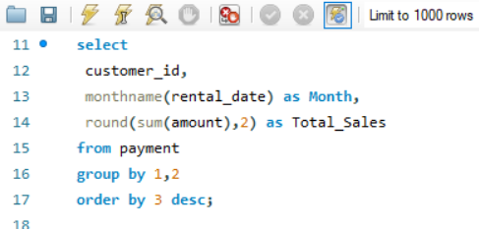

Output
Insight

Pivot Table
This "Customer Sales revenue over time" chart reveals a critical seasonal pattern. Sales revenue dramatically peaks in July, followed by a strong performance in August, indicating a highly concentrated demand period. In stark contrast, May and June show negligible sales figures.
This insight is vital for financial forecasting and operational planning. Businesses should allocate significant marketing budgets, inventory, and staffing resources to capitalize on the July-August surge, maximizing revenue during these profitable months. Conversely, the low-demand period requires cost-optimization strategies and potentially off-season promotions to stimulate sales.
Customer_id | Month | Total_Sales
148 | July | 100.78
470 | July | 96.83
522 | July | 96.82
137 | July | 96.81 | Row Labels | Sum of Total_Sales
144 | July | 93.82 | May | 64.89
459 | July | 89.82 | June | 2058.81
257 | July | 88.82 | July | 26068.54
148 | August | 87.82 | August | 20380.46
295 | July | 87.82 | Grand Total | 48572.7
410 | August | 86.83
595 | July | 86.81
526 | July | 86.81
178 | July | 85.82
102 | July | 84.79
346 | July | 83.85
209 | July | 82.83
366 | July | 82.81
50 | July | 80.83
225 | July | 80.83
469 | July | 80.82
494 | July | 80.82
526 | August | 79.86
479 | July | 79.85
21 | August | 79.83
15 | August | 79.82
92 | July | 78.85
332 | July | 78.83
484 | July | 77.85
372 | July | 77.84
119 | August | 77.82
147 | August | 76.85
373 | August | 76.85
309 | July | 76.84
286 | July | 76.83
2 | July | 75.86
591 | July | 75.85
569 | August | 75.82
508 | July | 74.86
137 | August | 74.85
462 | July | 74.84
292 | July | 74.84
39 | July | 73.85
502 | July | 73.85
259 | August | 73.85
210 | July | 73.82
30 | July | 73.81
236 | July | 73.8
181 | July | 72.88
245 | July | 72.84
144 | August | 72.84
468 | August | 71.86
475 | July | 71.85
181 | August | 71.84
266 | August | 71.83
446 | July | 71.83
566 | July | 71.82
585 | July | 70.87
78 | August | 70.86
172 | July | 70.86
41 | July | 70.85
573 | July | 70.85
558 | July | 70.85
348 | July | 70.84
198 | August | 70.84
265 | July | 70.84
168 | July | 70.83
71 | July | 70.82
75 | July | 70.8
482 | July | 69.88
49 | July | 69.87
100 | July | 69.87
532 | August | 69.86
532 | July | 69.86
513 | August | 69.86
376 | July | 69.85
363 | July | 69.85
274 | August | 69.84
360 | July | 69.83
342 | August | 69.83
487 | August | 68.89
583 | July | 68.88
280 | August | 68.88
45 | August | 68.88
3 | July | 68.87
285 | July | 68.87
179 | July | 68.86
103 | July | 68.85
29 | August | 68.84
35 | July | 68.84
150 | August | 68.84
373 | July | 68.84
553 | July | 68.84
89 | July | 68.83
406 | July | 68.82
459 | August | 67.88
121 | August | 67.86
497 | July | 67.86
273 | July | 67.85
439 | August | 67.85
302 | July | 67.85
425 | July | 67.83
314 | July | 67.82
354 | July | 67.81
467 | July | 66.87
565 | August | 66.87
279 | August | 66.86
445 | August | 66.86
469 | August | 66.85
160 | August | 66.85
441 | July | 66.83
426 | July | 65.89
594 | July | 65.86
306 | August | 65.86
433 | July | 65.86
579 | July | 65.86
125 | July | 65.84
128 | July | 65.84
197 | August | 65.84
46 | August | 65.84
347 | July | 65.83
38 | July | 65.82
349 | August | 64.89
82 | July | 64.89
84 | July | 64.88
86 | July | 64.88
54 | August | 64.86
63 | July | 64.86
531 | July | 64.86
490 | July | 64.86
574 | July | 64.85
237 | July | 64.85
219 | July | 64.85
282 | July | 64.85
403 | August | 64.85
598 | July | 64.84
141 | August | 64.83
187 | August | 63.91
187 | July | 63.89
362 | August | 63.89
331 | July | 63.88
416 | August | 63.87
146 | August | 63.87
550 | August | 63.87
196 | July | 63.86
436 | August | 63.86
576 | July | 63.85
535 | August | 63.85
485 | July | 63.82
337 | July | 62.88
372 | August | 62.87
307 | July | 62.87
112 | August | 62.87
273 | August | 62.87
512 | August | 62.87
211 | August | 62.86
235 | July | 62.85
211 | July | 62.84
80 | July | 61.88
277 | August | 61.88
403 | July | 61.88
575 | August | 61.88
13 | July | 61.87
499 | August | 61.87
107 | July | 61.86
114 | July | 61.85
122 | July | 61.85
362 | July | 61.85
592 | July | 61.85
51 | August | 61.84
42 | July | 61.84
293 | August | 60.89
237 | August | 60.89
59 | July | 60.89
263 | August | 60.89
491 | July | 60.89
284 | July | 60.88
513 | July | 60.87
23 | July | 60.87
206 | July | 60.87
393 | July | 60.87
66 | July | 60.87
520 | July | 60.86
348 | August | 60.85
563 | July | 60.84
442 | July | 60.84
451 | August | 60.84
7 | July | 59.89
7 | August | 59.88
220 | July | 59.88
390 | August | 59.88
242 | August | 59.86
404 | July | 59.86
300 | July | 59.86
560 | July | 59.86
5 | July | 59.84
275 | August | 59.84
64 | July | 59.81
91 | July | 59.81
477 | July | 58.9
58 | August | 58.89
300 | August | 58.89
178 | August | 58.88
51 | July | 58.88
486 | July | 58.88
56 | August | 58.88
221 | July | 58.88
327 | August | 58.87
584 | August | 58.87
423 | July | 58.87
172 | August | 58.87
533 | July | 58.87
380 | July | 58.86
468 | July | 58.86
207 | July | 58.85
230 | July | 58.85
323 | July | 58.85
32 | July | 58.85
409 | July | 58.85
424 | July | 58.84
404 | August | 57.89
504 | July | 57.89
529 | August | 57.88
26 | August | 57.88
421 | July | 57.88
473 | July | 57.87
481 | July | 57.87
294 | August | 57.87
581 | July | 57.86
173 | July | 57.86
135 | July | 57.86
232 | July | 57.86
210 | August | 56.9
87 | July | 56.89
495 | July | 56.89
560 | August | 56.89
528 | July | 56.89
207 | August | 56.88
432 | July | 56.88
462 | August | 56.88
127 | August | 56.88
170 | July | 56.88
554 | August | 56.88
86 | August | 56.87
368 | August | 56.87
356 | August | 56.87
422 | August | 56.87
166 | July | 56.87
80 | August | 56.86
390 | July | 56.86
590 | July | 56.86
99 | July | 56.85
489 | August | 55.9
360 | August | 55.89
539 | July | 55.88
81 | August | 55.88
316 | July | 55.88
176 | July | 55.88
471 | August | 55.88
559 | August | 55.88
518 | July | 55.87
254 | July | 55.87
233 | July | 55.87
154 | July | 55.86
186 | August | 55.86
145 | July | 55.85
129 | July | 55.85
335 | July | 55.85
19 | August | 54.91
343 | July | 54.91
448 | August | 54.9
22 | August | 54.9
443 | July | 54.9
149 | July | 54.89
389 | August | 54.89
460 | August | 54.88
296 | July | 54.88
289 | August | 54.88
386 | July | 54.87
244 | July | 54.86
410 | July | 54.86
366 | August | 54.86
438 | July | 54.86
228 | July | 54.85
200 | August | 53.92
582 | July | 53.9
259 | July | 53.9
236 | August | 53.9
540 | August | 53.9
44 | July | 53.9
206 | August | 53.89
334 | July | 53.89
157 | August | 53.89
204 | August | 53.89
11 | July | 53.89
515 | August | 53.88
101 | July | 53.88
268 | July | 53.88
256 | August | 53.88
79 | July | 53.87
334 | August | 53.87
308 | August | 53.87
234 | August | 53.87
529 | July | 53.87
5 | August | 53.87
214 | August | 53.86
306 | July | 53.86
520 | August | 53.86
241 | July | 53.85
192 | August | 52.9
...

Q.7
Are certain film categories more popular in specific locations?

SQL Query
Visualization

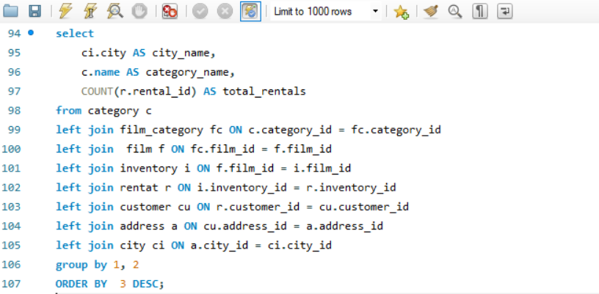
Film Categories by rentals & locations

Output
Pivot Table

Insight
Demand is concentrated in Animation, Sports, Action, and Drama, which post the highest rental volumes, indicating strong, repeatable audience pull for family-friendly and event‑like content. Mid‑tier interest appears in Family, Foreign and Documentary, suggesting steady but niche appeal worth sustaining through targeted curation. Underperforming segments—notably Music, Horror, Classics, Comedy, and New—show materially lower uptake and likely require sharper positioning (seasonal promos, bundles) or leaner stocking. Net: prioritize content acquisition and marketing around the top four categories, while testing low‑cost campaigns and selective refresh in weaker genres to lift overall catalog ROI.
City_name | Category_name | total_rentals | City_name | (All)
Ourense (Orense) | Games | 9
San Miguel de Tucumán | Documentary | 8 | Row Labels | Sum of total_rentals
Mannheim | Animation | 8 | Action | 335
Cape Coral | Animation | 8 | Animation | 423
Pontianak | Action | 7 | Children | 212
Beira | Documentary | 7 | Classics | 212
Saint-Denis | Sci-Fi | 7 | Comedy | 174
Pemalang | Family | 7 | Documentary | 344
Nantou | Classics | 7 | Drama | 322
 |  |  | Family | 318
 |  |  | Foreign | 302
 |  |  | Games | 261
 |  |  | Horror | 184
 |  |  | Music | 159
 |  |  | New | 214
 |  |  | Sci-Fi | 344
 |  |  | Sports | 367
 |  |  | Travel | 163
 |  |  | Grand Total | 4334
...

Q.8
How does the availability and knowledge of staff affect customer ratings?

SQL Query
Visualization

Availability of staff and its customer rental duration of films
 | 1 | 2
Jon |  | 5.0388
Mike | 5.0117
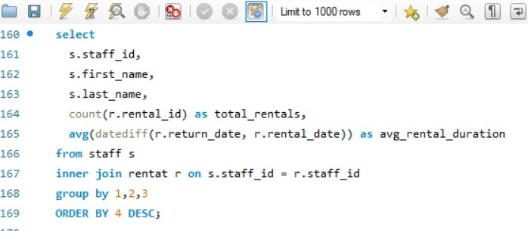

Output
Pivot Table
Insight

The chart highlights a measurable variance in customer engagement tied to staff performance. Jon’s customers exhibit slightly higher average rental durations compared to Mike’s, suggesting better service quality, stronger product knowledge, or enhanced customer rapport. Longer rental durations typically correlate with improved customer satisfaction and repeat business potential. This insight underscores the need to standardize best practices from high-performing staff through targeted training and service protocols to elevate overall customer experience and retention.
staff_id | first_name | last_name | total_rentals | avg_rental_duration
1 | Mike | Hillyer | 8040 | 5.0117 | Sum of avg_rental_duration | Column Labels
2 | Jon | Stephens | 8004 | 5.0388 | Row Labels | 1 | 2 | Grand Total
 |  |  |  |  | Jon |  | 5.0388 | 5.0388
 |  |  |  |  | Mike | 5.0117 |  | 5.0117
 |  |  |  |  | Grand Total | 5.0117 | 5.0388 | 10.0505

Q.9
How does the proximity of stores to customers impact rental frequency?

SQL Query
Visualization

Store impact on rental frequency
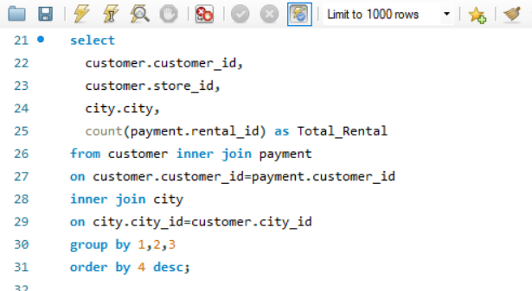

Output
Pivot Table
Insight

The chart shows that Store 1 significantly outperforms Store 2 in rental frequency, indicating stronger customer traffic and engagement. This disparity may stem from better location, larger inventory, or superior customer service at Store 1. To maximize network performance, Store 2 should be evaluated for inventory gaps, marketing reach, or operational inefficiencies, while successful strategies from Store 1 could be replicated to drive higher rental volumes across locations.
Customer_id | Store_id | City | Total_Rental
148 | 1 | Saint-Denis | 46
526 | 2 | Cape Coral | 45 | City | (All)
144 | 1 | Molodetšno | 42
236 | 1 | Tanza | 42 | Row Labels | Sum of Total_Rental
75 | 2 | Changhwa | 41 | 1 | 8747
197 | 2 | Changzhou | 40 | 2 | 7297
469 | 2 | Ourense (Orense) | 40 | Grand Total | 16044
178 | 2 | Santa Brbara dOeste | 39
137 | 2 | Apeldoorn | 39
...

Q.10
Do specific film categories attract different age groups of customers?

SQL Query
Visualization

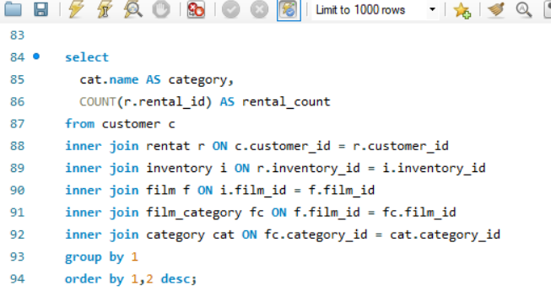
Film Categories by customer on film rental

Output
Insight

The chart highlights Animation, Sports, Sci‑Fi, and Action as the top-performing film categories in terms of customer rentals, demonstrating broad audience appeal and consistent demand. Mid-tier categories such as Drama, Family, and Foreign maintain steady engagement, while segments like Music, Horror, and Travel underperform, signaling niche or declining interest. To maximize revenue, the business should focus inventory and marketing efforts on high-demand genres while selectively refreshing or bundling lower-performing categories to improve their visibility and turnover.
Category | rental_count
Action | 1112
Animation | 1166
Children | 945
Classics | 939
Comedy | 941
Documentary | 1050
Drama | 1060
Family | 1096
Foreign | 1033
Games | 969
Horror | 846
Music | 830
New | 940
Sci-Fi | 1101
Sports | 1179
Travel | 837

Q.11
What are the demographics and preferences of the highest-spending customers?

SQL Query
Visualization

Highest spending customer on rental films
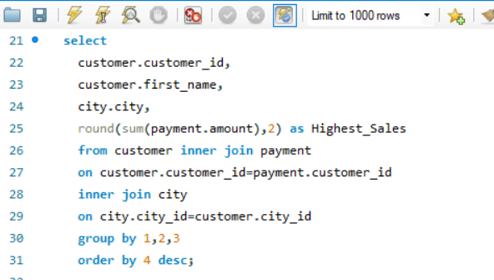

Output
Insight
Pivot Table

The chart shows that Marion, Tracy, and Jamie are the top-spending customers, contributing significantly higher sales than the rest. This indicates the presence of a high-value customer segment that drives a disproportionate share of revenue. To maximize profitability, the business should implement targeted loyalty programs or exclusive offers to retain and further engage these premium customers, while also identifying strategies to uplift mid-tier spenders into this high-value group.
Customer_id | First_name | City | Highest_Sales
526 | KARL | Cape Coral | 221.55 | City | (All)
148 | ELEANOR | Saint-Denis | 216.54
144 | CLARA | Molodetšno | 195.58 | Row Labels | Sum of Highest_Sales
178 | MARION | Santa Brbara dOeste | 194.61 | CLARA | 195.58
137 | RHONDA | Apeldoorn | 194.61 | ELEANOR | 216.54
459 | TOMMY | Qomsheh | 186.62 | JAMIE | 258.46
469 | WESLEY | Ourense (Orense) | 177.6 | JESSIE | 233.41
468 | TIM | Bijapur | 175.61 | KARL | 221.55
236 | MARCIA | Tanza | 175.58 | KELLY | 203.53
 | ANA | Memphis | 174.66 | LESLIE | 242.43
 |  |  |  | MARION | 310.32
 |  |  |  | RHONDA | 194.61
 |  |  |  | TERRY | 200.51
 |  |  |  | TIM | 175.61
 |  |  |  | TOMMY | 186.62
 |  |  |  | TRACY | 262.42
 |  |  |  | WESLEY | 177.6
 |  |  |  | WILLIE | 203.49
 |  |  |  | Grand Total | 3282.68
...

Q.12
How does the availability of inventory impact customer satisfaction and repeat business?

Visualization
SQL Query

Availability of Inventory By Total Amount
 | Total
12 | 52.88
14 | 169.58
15 | 113.7
16 | 285.36
17 | 387.15
18 | 1081.48
19 | 903.72
20 | 1265
21 | 2441.12
22 | 3288.3
23 | 4325.65
24 | 3575.36
25 | 5219.5
26 | 5733.22
27 | 4681.93
28 | 4788.52
29 | 4492.56
30 | 5504.8
31 | 2852.18
32 | 4685.8
33 | 2670.73
34 | 2936.86
35 | 1943.45
36 | 864.84
37 | 619.52
38 | 661.48
39 | 564.83
40 | 332.2
41 | 155.59
42 | 371.16
45 | 221.55
46 | 216.54
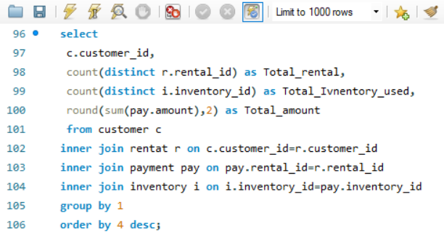

Output
Pivot Table
Insight

The chart indicates that inventory utilization between 24–30 units is strongly correlated with the highest total revenue, peaking at around 26 units. Both underutilization (below 20 units) and overutilization (above 35 units) result in significantly lower revenue, suggesting diminishing returns. To maximize profitability, inventory levels should be optimized within this sweet spot, ensuring product availability without excessive overstock that can tie up capital and reduce efficiency.
Customer_id | Total_rental | Total_inventory_used | Total_amount
526 | 45 | 45 | 221.55 | Row Labels | Sum of Total_amount
148 | 46 | 46 | 216.54 | 12 | 52.88
144 | 42 | 42 | 195.58 | 14 | 169.58
137 | 39 | 39 | 194.61 | 15 | 113.7
178 | 39 | 39 | 194.61 | 16 | 285.36
459 | 38 | 38 | 186.62 | 17 | 387.15
469 | 40 | 40 | 177.6 | 18 | 1081.48
468 | 39 | 39 | 175.61 | 19 | 903.72
236 | 42 | 42 | 175.58 | 20 | 1265
 |  |  |  | 21 | 2441.12
 |  |  |  | 22 | 3288.3
 |  |  |  | 23 | 4325.65
 |  |  |  | 24 | 3575.36
 |  |  |  | 25 | 5219.5
 |  |  |  | 26 | 5733.22
 |  |  |  | 27 | 4681.93
 |  |  |  | 28 | 4788.52
...

Q.13
What are the busiest hours or days for each store location, and how does it impact staffing requirements?

Visualization
SQL Query

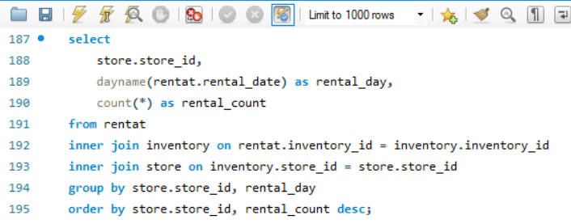
Busiest day for each store location

Output

Pivot Table
Insight
The chart shows that Tuesdays consistently record the highest rental activity across both store locations, while midweek days (Wednesday and Thursday) see the lowest traffic. This trend highlights clear opportunities for dynamic staffing and promotional planning—increasing staff capacity on peak days to manage demand effectively and leveraging midweek lulls for targeted offers or loyalty campaigns to balance customer flow.
store_id | rental_day | rental_count
1 | Tuesday | 1222
1 | Sunday | 1154 | Sum of rental_count | Column Labels
1 | Saturday | 1153 | Row Labels | 1 | 2 | Grand Total
1 | Friday | 1131 | Monday | 1126 | 1121 | 2247
1 | Monday | 1126 | Tuesday | 1222 | 1241 | 2463
1 | Wednesday | 1071 | Wednesday | 1071 | 1160 | 2231
1 | Thursday | 1066 | Thursday | 1066 | 1134 | 2200
2 | Tuesday | 1241 | Friday | 1131 | 1141 | 2272
2 | Sunday | 1166 | Saturday | 1153 | 1158 | 2311
 | Wednesday | 1160 | Sunday | 1154 | 1166 | 2320
 | Saturday | 1158 | Grand Total | 7923 | 8121 | 16044
...

Q.14
What are the cultural or demographic factors that influence customer preferences in different locations?

SQL Query
Visualization

Customer Preferences of film categories
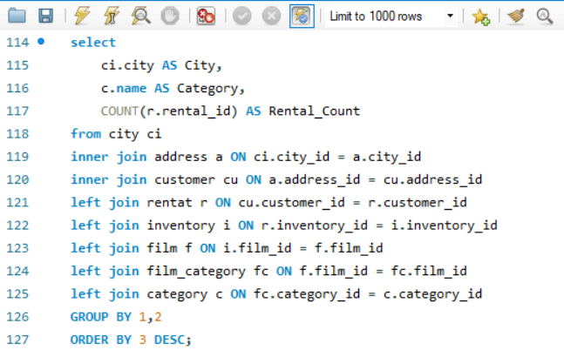

Output
Pivot Table
Insight

Demand is highly concentrated in Animation, Sports, Action, and Sci-Fi, which exhibit the highest rental volumes. This indicates a strong market preference for visually engaging, family-friendly, and high-octane content, suggesting these categories are reliable drivers of customer engagement and repeat business.
Mid-tier interest is observed in Drama, Documentary, and Family films, representing a steady audience segment that benefits from consistent curation and targeted promotional efforts.
Conversely, Music, Horror, Travel, and Comedy categories show significantly lower uptake. These segments likely require strategic intervention, such as limited-time promotions, content bundling, or selective, cost-effective acquisitions, to boost their perceived value and improve overall catalog return on investment (ROI). Prioritizing content investment and marketing efforts towards the top-performing genres will maximize revenue, while careful, data-driven experimentation in weaker categories can help identify opportunities for incremental growth.
City | Category | Rental_count
Ourense (Orense) | Games | 9 | City | (All)
Cape Coral | Animation | 8
Mannheim | Animation | 8 | Row Labels | Sum of Rental_count
San Miguel de Tucumán | Documentary | 8 | Action | 362
Pemalang | Family | 7 | Animation | 426
Pontianak | Action | 7 | Children | 206
Santa Rosa | Games | 7 | Classics | 221
Uruapan | Sports | 7 | Comedy | 171
Soshanguve | Animation | 7 | Documentary | 326
 |  |  | Drama | 322
 |  |  | Family | 321
 |  |  | Foreign | 299
 |  |  | Games | 237
 |  |  | Horror | 160
 |  |  | Music | 150
 |  |  | New | 226
 |  |  | Sci-Fi | 362
 |  |  | Sports | 394
 |  |  | Travel | 151
 |  |  | Grand Total | 4334
...

Q.15
How does the availability of films in different languages impact customer satisfaction and rental frequency?

SQL Query
Visualization

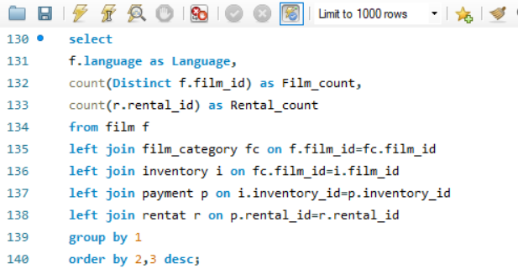
Availability of films in different languages by rental frequency

Output
Pivot Table
Insight

From an industry standpoint, French and German films lead in rental frequency, highlighting strong market demand. English and Japanese content shows solid mid-tier performance, indicating consistent but not dominant interest. Conversely, Spanish films have the lowest rental frequency.
This data suggests prioritizing content acquisition and marketing for French and German titles to capitalize on high demand. For English and Japanese content, strategic promotions could boost engagement. The low performance of Spanish films warrants a review of content availability or targeted marketing efforts to identify growth opportunities or adjust investment. This ensures optimal content portfolio management for maximum ROI.
Language | Film_count | Rental_count
French | 200 | 3303
German | 200 | 3300 | Row Labels | Sum of Rental_count
English | 200 | 3200 | English | 3200
Japanese | 200 | 3184 | French | 3303
Spanish | 200 | 3057 | German | 3300
 |  |  | Japanese | 3184
 |  |  | Spanish | 3057
 |  |  | Grand Total | 16044

